Sheet1
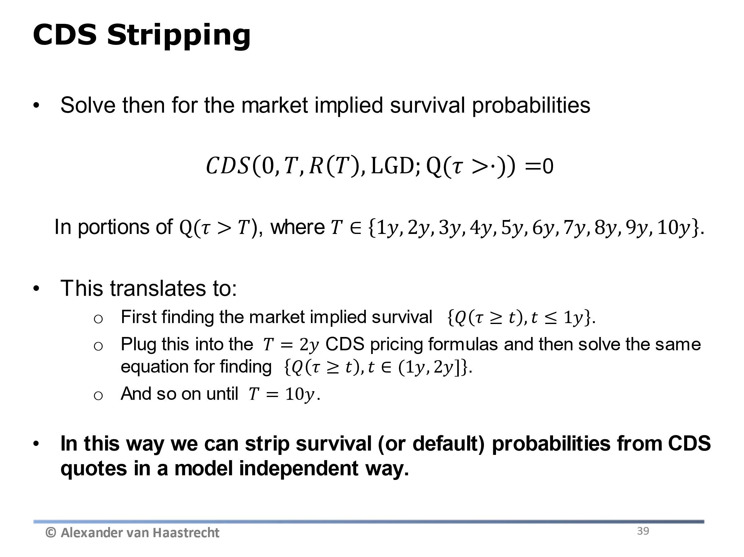
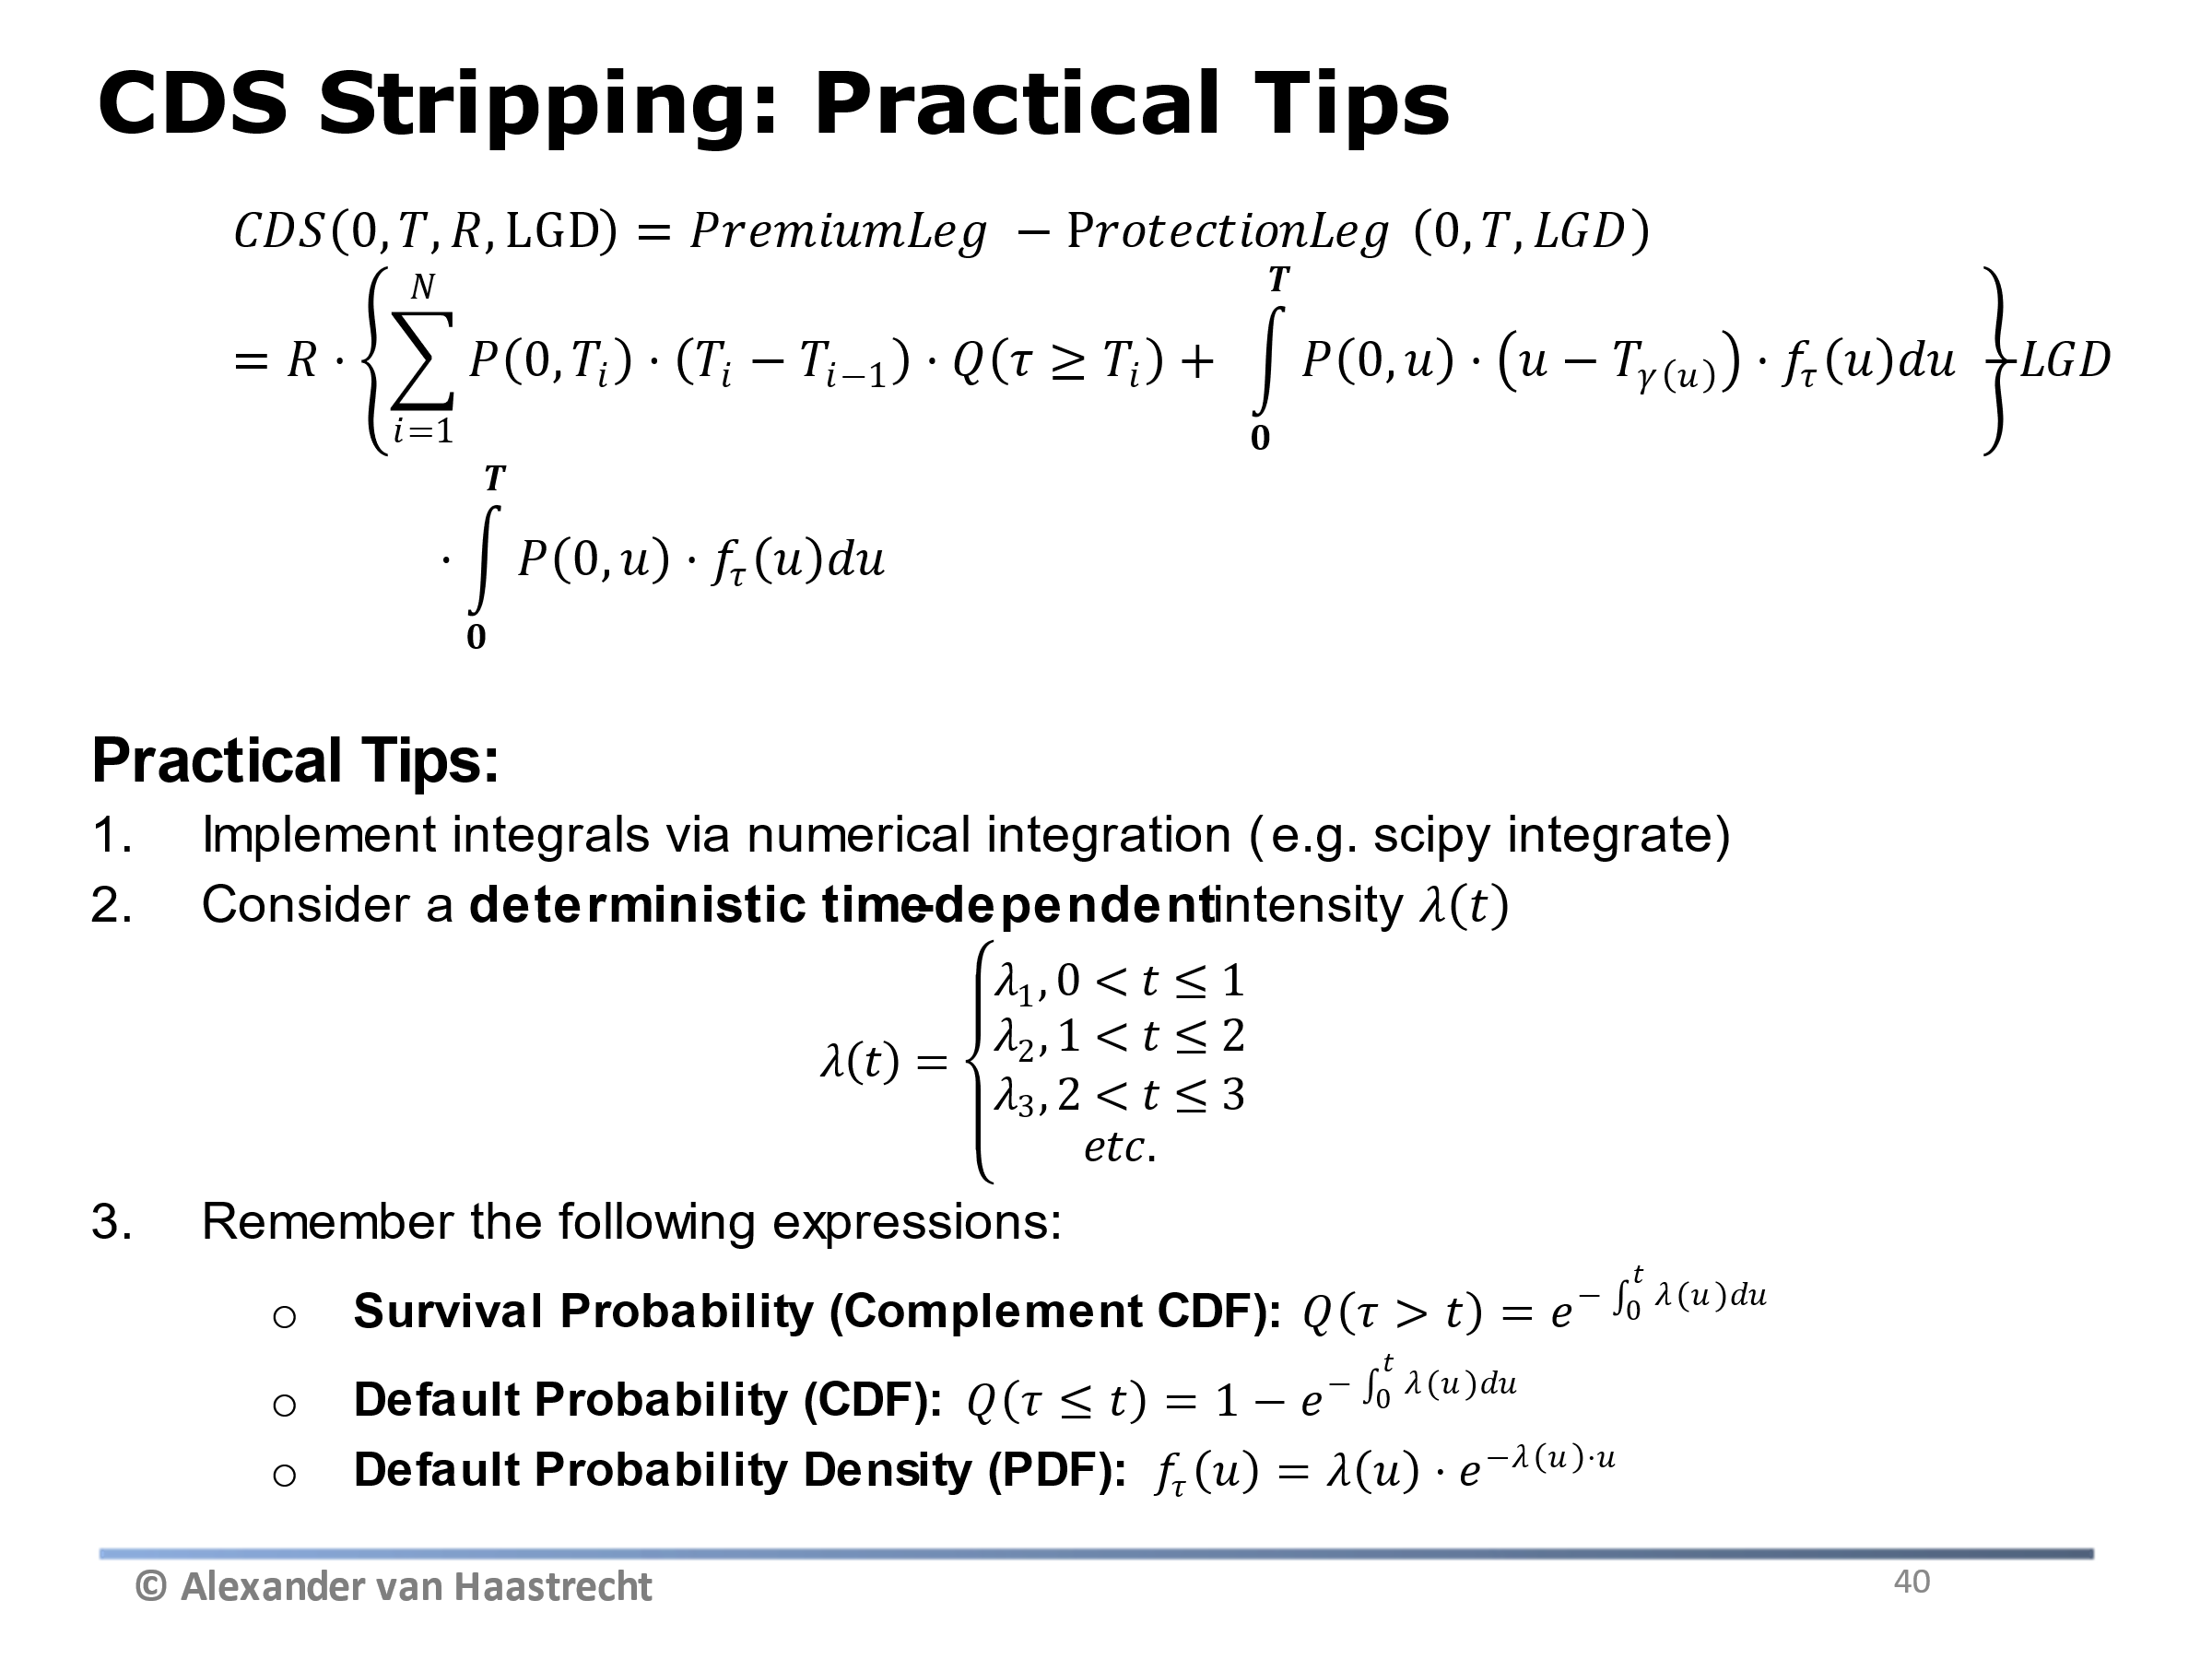
1. CDS Stripping assuming simple CDS Price formula (for illustration)

Objective: Derive forward hazard rates from survival/default probabilities

 | LGD | 0.3

Time | CDS Rate | Lambda Cumulative | Q(t>T) | Forward hazard Rate | 1- Q(t>T) (Cum Def Prob)
0 |  |  | 100.0000% |  | 0.0000%
1 | 1.60% | 5.3333% | 94.8064% | 5.3333% | 5.1936%
3 | 1.80% | 6.0000% | 83.5270% | 6.3333% | 16.4730%
5 | 2.00% | 6.6667% | 71.6531% | 7.6667% | 28.3469%
7 | 2.10% | 7.0000% | 61.2626% | 7.8333% | 38.7374%
10 | 2.50% | 8.3333% | 43.4598% | 11.4444% | 56.5402%

Approximation: The above assumes continuous premium payments and zero interest rates (only an approximation!)

2. CDS Stripping using full formula including accrued premium

Generic CDS Stripping (In reality): assume quarterly premium payments, non-zero interest rates and accrued premium at default (see CDS stripping on slides)

